OOPS
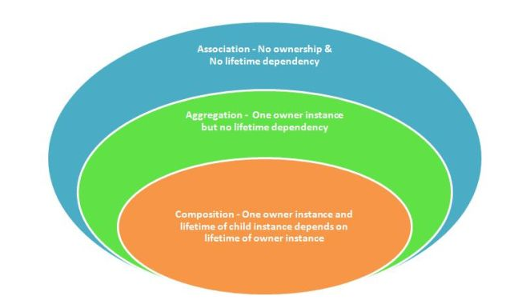
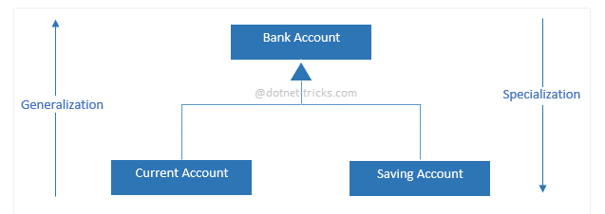
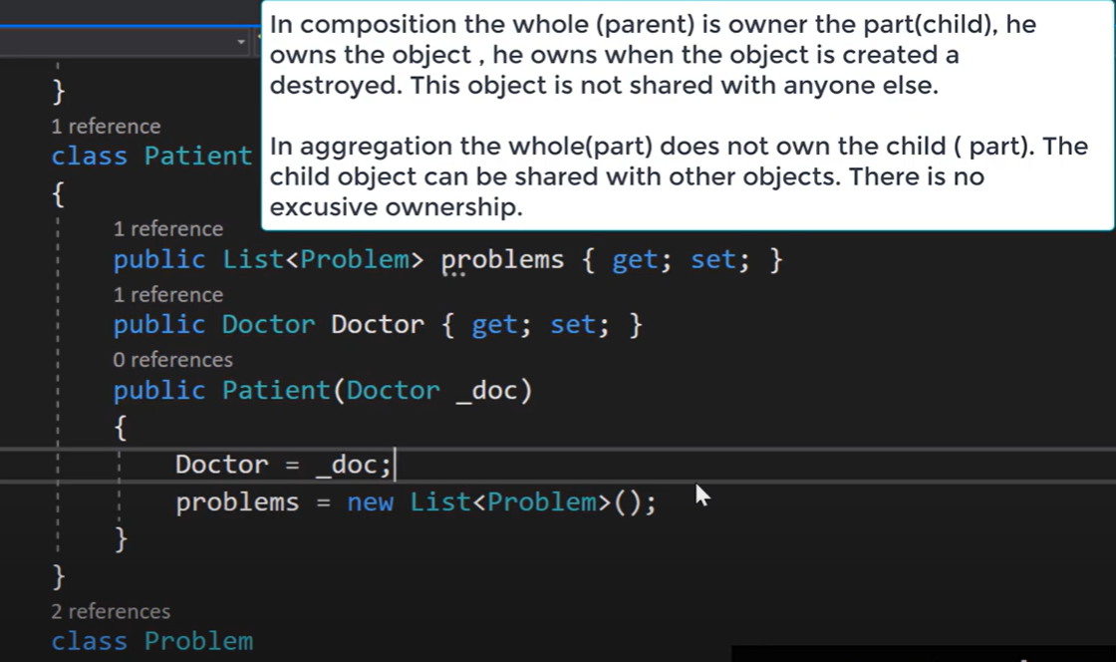
Sr. No. | Questions | Remark
1 | Explain oops concepts (Abstration, Inheritance, Polymorphism and Encapsulation)
2 | Association vs Aggregation vs Composition | Inheritance - Is a Using - Has a
3 | Generalization vs Specialization

SOLID, Design Paterns
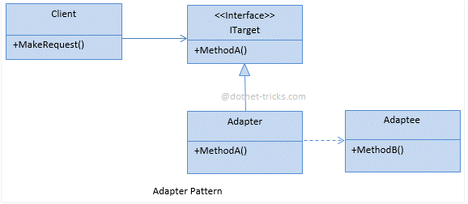
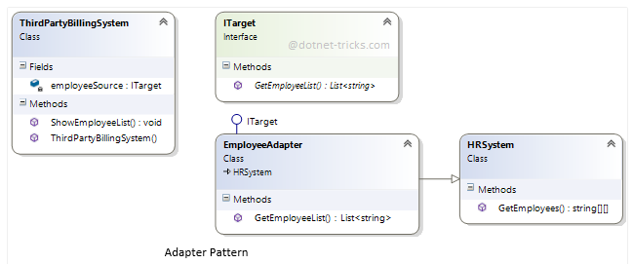
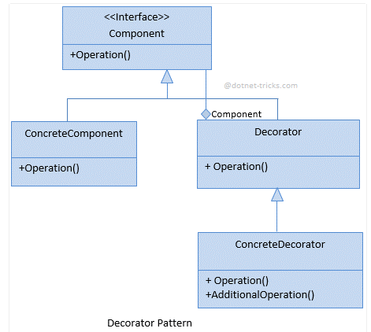
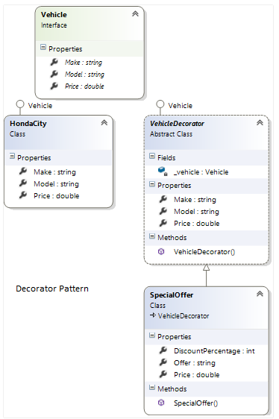
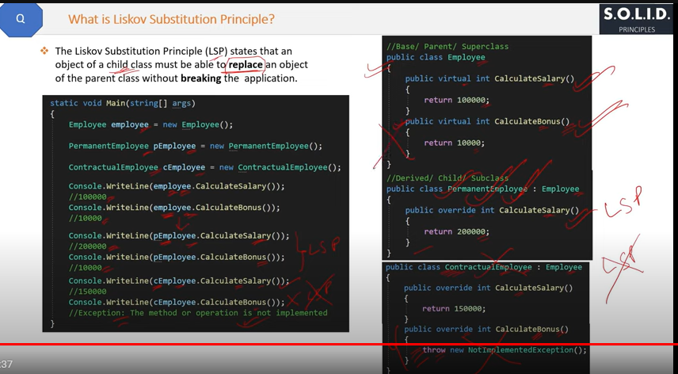
Sr. No. | Questions | Remark | LSP
1 | Single Responsibility Priciple
2 | Open-Closed Priciple
3 | Liskov Substitution Priciple
4 | Interface Segregation Principle
5 | Dependency Inversion Priciple

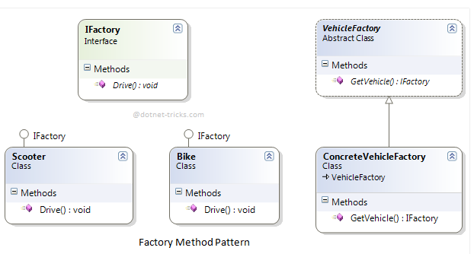
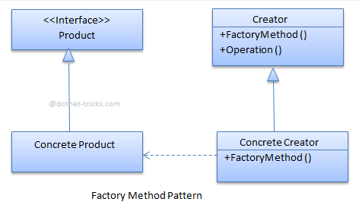
Design Paterns
1 | Singleton | Done
2 | Factory Method | Done
3 | Abstract Factory | Done
4 | Adapter | Done
5 | Template Method
6 | Decorator | Done

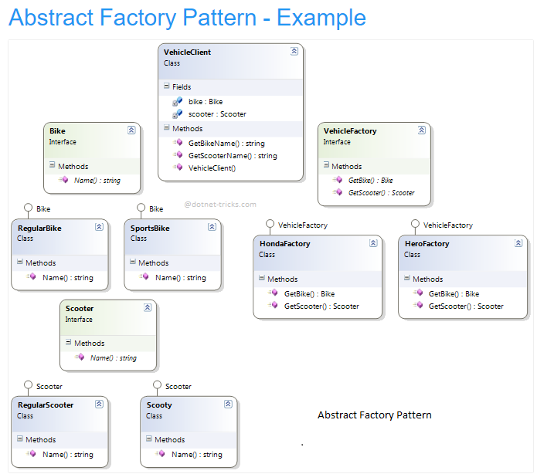
Architectural Patterns
1 | CQRS | Done
2 | Repository Pattern | Done
3 | UOW
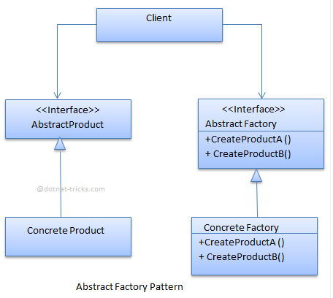
URL | https://www.scholarhat.com/tutorial/designpatterns

C#, .net
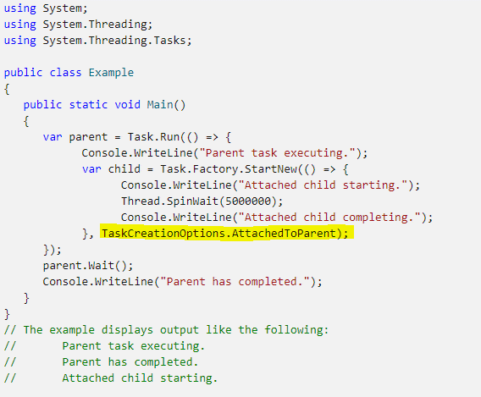
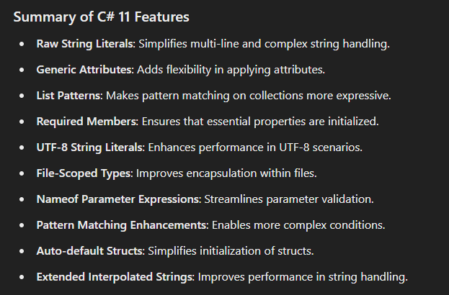
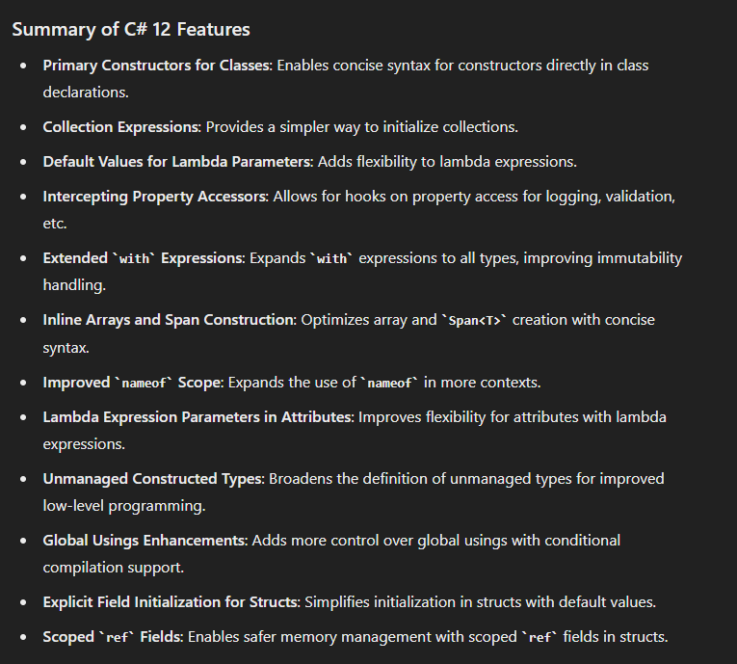
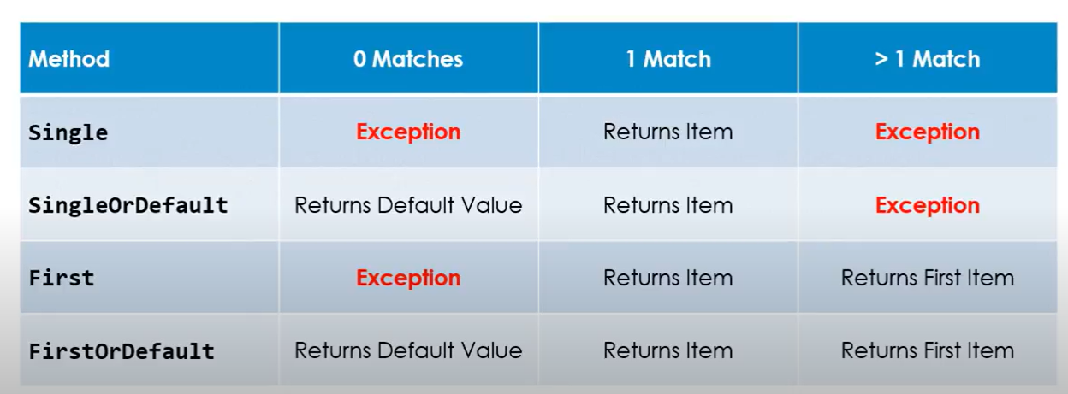
Sr. No. | Questions | Remark
1 | IEnumerable vs IQueryable | Done
2 | Async await | Done
3 | Extension Methods | Done
4 | Task Parallel Librabry (TPL) | Done
5 | Garbage Collector | Done
6 | Deep Copy Vs Shallow Copy | Done
7 | Delegate (Func, Predicate, Action) | Done
8 | Generics | Done
9 | Lambda & LINQ | Done
10 | C# new versions with features (11 and 12) | Done
11 | Automapper | Done
12 | Dapper
13 | IOC (Inversion of Control) | Done
14
15
16
17
18
19
20
21
22
23 | y
24
25

 |  |  | Attached child task to parent task

.net Core
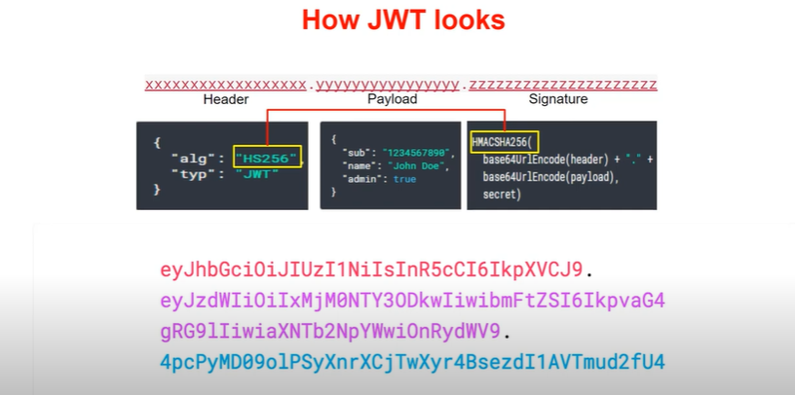
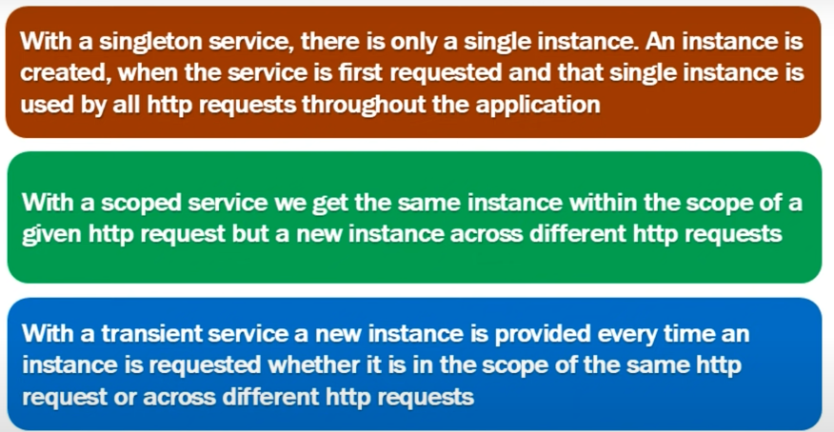
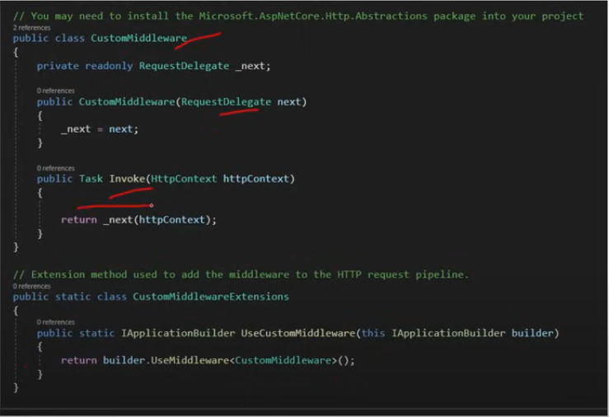
Sr. No. | Questions | Remark | URL
1 | API Versioning | Done |  | Custome Middleware
2 | Policy, Claim
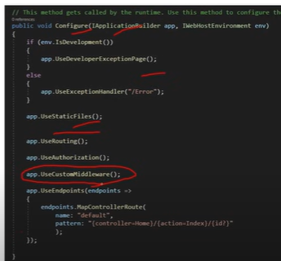
3 | Custom Middleware | Done
4 | Data Annotation | Done | https://learn.microsoft.com/en-us/ef/ef6/modeling/code-first/data-annotations
 | Global Exception handling | Done
 | JWT

 | Study Mash (refer this channel for .net core)
 | Coding Droplets

DevOps, Azure
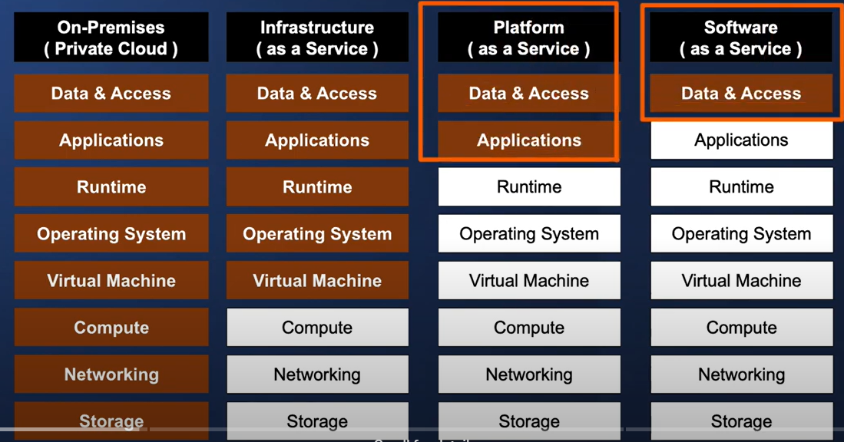
Sr. No. | Questions | Remark | URL
1 | Create VM | Done | https://www.youtube.com/watch?v=BhV57ka5BlU&list=PLLc2nQDXYMHpekgrToMrDpVtFtvmRSqVt&index=3
2 | Web App | Done
3 | Azure Finction | Done
4 | Azure Storage
5
6
7
8
9
10

